Sheet1
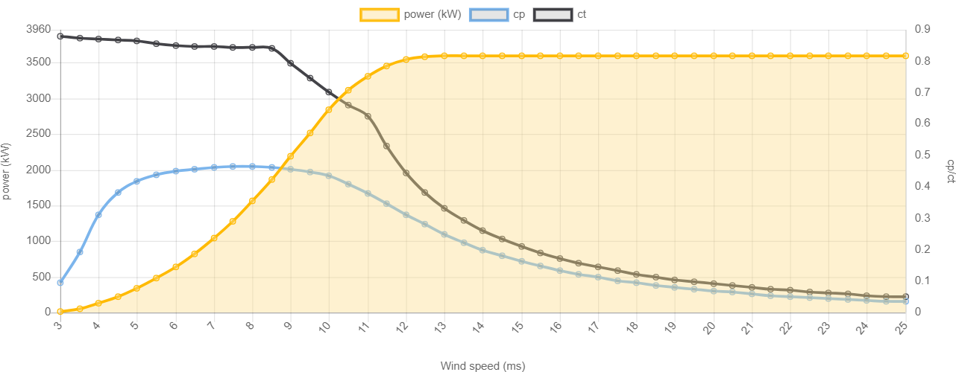
WindSpeed | Power
7 | 1038
7.5 | 1284
8 | 1562
8.5 | 1866
9 | 2188
9.5 | 2520
10 | 2846

